CC vs Time
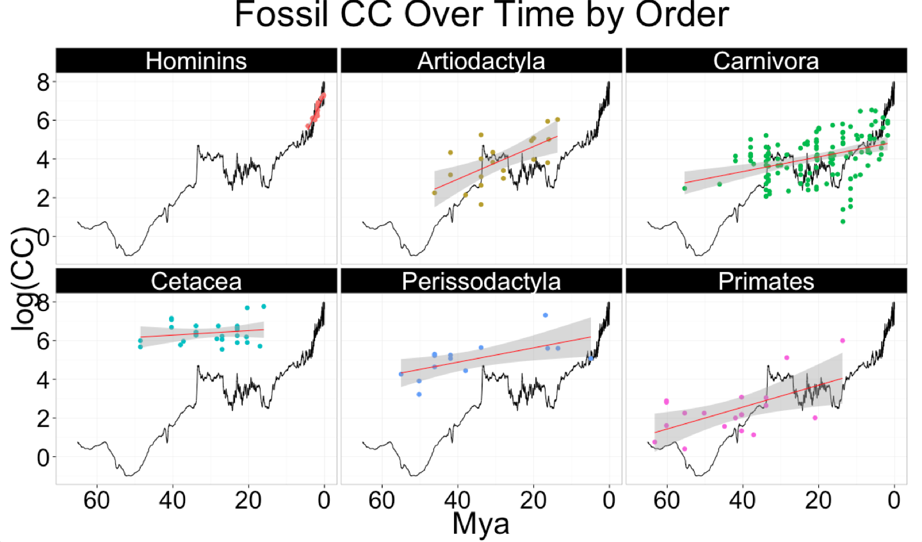
Column1 | Column12 | Column2 | Column3 | Column4 | Column42 | Column5
Fossil CC vs Time
 |  | Estimate | Std. Error | t value | p value | CC over time
All Orders [n=222] | Mya | -0.0350 | 0.0071 | -4.9170 | 0.0000 | Increase
 | (Intercept) | 5.1610 | 0.2068 | 24.9600 | 0.0000
Artiodactyla [n=20] | Mya | -0.0844 | 0.0226 | -3.7270 | 0.0015 | Increase
 | (Intercept) | 6.3320 | 0.6884 | 9.1990 | 0.0000
Carnivora [n=129] | Mya | -0.0379 | 0.0081 | -4.6550 | 0.0000 | Increase
 | (Intercept) | 4.8670 | 0.1926 | 25.2700 | 0.0000
Cetacea [n=26] | Mya | -0.0117 | 0.0127 | -0.9226 | 0.3654 | Stable
 | (Intercept) | 6.7470 | 0.3892 | 17.3300 | 0.0000
Perissodactyla [n=14] | Mya | -0.0371 | 0.0135 | -2.7600 | 0.0173 | Increase
 | (Intercept) | 6.3680 | 0.5255 | 12.1200 | 0.0000
Primates [n=19] | Mya | -0.0566 | 0.0193 | -2.9340 | 0.0093 | Increase
 | (Intercept) | 4.8280 | 0.8734 | 5.5280 | 0.0000
Hominins [n=14] | Mya | -0.4145 | 0.0487 | -8.5040 | 0.0000 | Increase
 | (Intercept) | 7.321 | 0.109 | 67.14 | 7.91E-17
Table X. Negative means: as time gets smaller (closer to present) brains get bigger

Column6 | Column7 | Column1 | Column2 | Column3 | Column4 | Column5
Ancestral CC vs Time
 |  | Estimate | Std. Error | t value | p value | CC over time
All Orders [n=298] | Mya | 0.0345 | 0.0065 | 5.2750 | 0.0000 | Decrease
 | (Intercept) | 3.8340 | 0.1299 | 29.5200 | 0.0000
Artiodactyla [n=24] | Mya | 0.0014 | 0.0113 | 0.1199 | 0.9058 | Stable
 | (Intercept) | 5.1630 | 0.2526 | 20.4400 | 0.0000
Carnivora [n=156] | Mya | 0.0103 | 0.0063 | 1.6340 | 0.1043 | Stable
 | (Intercept) | 3.4310 | 0.1054 | 32.5600 | 0.0000
Cetacea [n=31] | Mya | 0.0043 | 0.0042 | 1.0310 | 0.3109 | Stable
 | (Intercept) | 7.3050 | 0.1082 | 67.5400 | 0.0000
Perissodactyla [n=9] | Mya | -0.0044 | 0.0055 | -0.7952 | 0.4568 | Stable
 | (Intercept) | 6.3670 | 0.1858 | 34.2700 | 0.0000
Primates [n=75] | Mya | -0.0241 | 0.0093 | -2.5840 | 0.0119 | Increase
 | (Intercept) | 4.4570 | 0.1773 | 25.1500 | 0.0000
Table X. OLS regressions results with CC as the response variable and time (Mya) as the predictor variable. 'CC over time' indicates whether there's been an increase, decrease or stability (no net change) in CC over the course of evolutionary time.

